Sheet1
Design Table for: 000000_S01c-Header
000000_S01C-HEADERBOX<1> |  | 1 | <- section number |  |  |  | 2 | <- COMB section number
 | Header Options |  |  |  |  |  |  |  |  |  | Side Frame |  |  |  |  | Header Locking Tab? | Header Support Bar |  |  |  | Bolt On Air Filler Tabs |  |  | Divider Tab |  | On / Off | On / Off | On / Off | Temp Probe Coupling Sizes |  |  |  |  |  |  |  |  |  |  | On / Off | TYPE | Coupling Vent & Drain Sizes |  |  |  |  |  |  |  |  |  | Flange Vent & Drain Sizes
 | Header Offset Slope Tubes | Low Temp Header? | Service Type = Oil? | COMB Service Type = Oil? | Name Plate Bracket Location (Left Side) | Name Plate Bracket Type (Left Side) | Name Plate Bracket Location (Right Side) | Name Plate Bracket Type (Right Side) | Plug Type (Left Side) | Plug Type (Right Side) | Side Frame Size | Channel Depth | Channel Toe | Channel Thickness | Double Broke Channel Lip |  | Header Support Bar Type | Header Support Bar Depth | Header Support Bar Thickness | Header Support Bar Length | Air Filler Tabs? | Tab Location From end of box | Tab orientation | Divider Air Seal Tab Location | Nozzle Angle | Nozzle Position # | Temp Probe Coupling # (Opposite Nozzle #) | Temp Probe Assembly? (Pipe & coupling) | Material | Coupling Class | Temp Probe Opposite Nozzle 1 size | Temp Probe Opposite Nozzle 2 size | Temp Probe Opposite Nozzle 3 size | Temp Probe Opposite Nozzle 4 size | COMB Coupling Class | COMB Temp Probe Opposite Nozzle 5 size | COMB Temp Probe Opposite Nozzle 6 size | COMB Temp Probe Opposite Nozzle 7 size | COMB Temp Probe Opposite Nozzle 8 size | Vent & Drain # | Vent & Drain Type | Class | Vent 1 Size | Vent 1 Angle | Drain 1 Size | Drain 1 Angle | COMB Class | Vent 2 Size | Vent 2 Angle | Drain 2 Size | Drain 2 Angle | Flange Material | Flange LBS | Flange Vent 1 Size | Flange Vent 1 Schedule | Flange Drain 1 Size | Flange Drain 1 Schedule | COMB Flange LBS | Flange Vent 2 Size | Flange Vent 2 Schedule | Flange Drain 2 Size | Flange Drain 2 Schedule | Side Frame Broke Channel Lip Ref
Front | 0 | No | No | No | Top | D1 (SA240 304) ss | Top | D1 (SA240 304) ss | Shoulder | Shoulder | MC12x10.6 | 20 | 4 | 0.25 | 0 | No | Float Bar | 4 | 0.1875 | 11.0625 | Yes | 4 | Vertical | Top | 0 | 1,2,3,4,5,6,7,8, |  | No | [SA182 F304] | 3000 | 1 | 1 | 1 | 1 | 3000 | 1 | 1 | 1 | 1 | 1,2,3,4, | Coupling | 3000 | 1 | 0 | 1 | 0 | 3000 | 1 | 0 | 1 | 0 | SA105 | 300 | 1 | 160 | 1 | 160 | 300 | 1 | 160 | 1 | 160 | 0
Rear | 0 | No | No | No | None | D1 (SA240 304) ss | None | D1 (SA240 304) ss | Shoulder | Shoulder | MC12x10.6 | 20 | 4 | 0.25 | 0 | No | Weld Bar | 1 | 0.25 | 9.5 | Yes | 4 | Vertical | Top | 0 | 1,2,3,4,5,6,7,8, |  | No | [SA182 F304] | 3000 | 1 | 1 | 1 | 1 | 3000 | 1 | 1 | 1 | 1 | 1,2,3,4, | Coupling | 3000 | 1 | 0 | 1 | 0 | 3000 | 1 | 0 | 1 | 0 | SA105 | 300 | 1 | 160 | 1 | 160 | 300 | 1 | 160 | 1 | 160 | 0
Front-Cut Length | 0 | No | No | No | Top | D1 (SA240 304) ss | Top | D1 (SA240 304) ss | Shoulder | Shoulder | MC12x10.6 | 20 | 4 | 0.25 | 0 | No | Float Bar | 4 | 0.1875 | 11.0625 | Yes | 4 | Vertical | Top | 0 | 1,2,3,4,5,6,7,8, |  | No | [SA182 F304] | 3000 | 1 | 1 | 1 | 1 | 3000 | 1 | 1 | 1 | 1 | 1,2,3,4, | Coupling | 3000 | 1 | 0 | 1 | 0 | 3000 | 1 | 0 | 1 | 0 | SA105 | 300 | 1 | 160 | 1 | 160 | 300 | 1 | 160 | 1 | 160 | 0
Rear-Cut Length | 0 | No | No | No | None | D1 (SA240 304) ss | None | D1 (SA240 304) ss | Shoulder | Shoulder | MC12x10.6 | 20 | 4 | 0.25 | 0 | No | Weld Bar | 1 | 0.25 | 9.5 | Yes | 4 | Vertical | Top | 0 | 1,2,3,4,5,6,7,8, |  | No | [SA182 F304] | 3000 | 1 | 1 | 1 | 1 | 3000 | 1 | 1 | 1 | 1 | 1,2,3,4, | Coupling | 3000 | 1 | 0 | 1 | 0 | 3000 | 1 | 0 | 1 | 0 | SA105 | 300 | 1 | 160 | 1 | 160 | 300 | 1 | 160 | 1 | 160 | 0
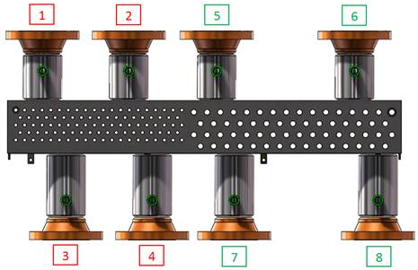
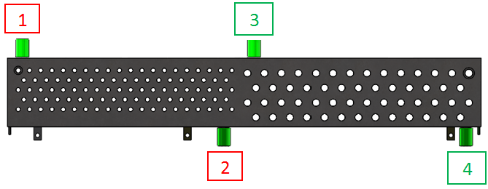
 |  |  |  |  |  |  |  |  |  |  |  |  |  |  |  |  |  |  |  |  |  |  |  |  |  |  |  |  |  |  |  |  |  |  |  |  |  |  |  |  |  |  |  |  |  |  |  |  |  | `

 |  |  |  |  |  |  |  |  |  |  |  |  |  |  |  |  | Float Bar |  |  |  |  |  |  |  |  |  |  |  | [SA182 F304]
 |  |  |  |  |  |  |  |  |  |  |  |  |  |  |  |  | Weld Bar

 |  |  |  |  |  | A1 (SA240 304) ss | <-Old Standard | A1 (SA240 304) ss | <-Old Standard

